Assumptions
Britannia Industries Limited
Assumptions Sheet
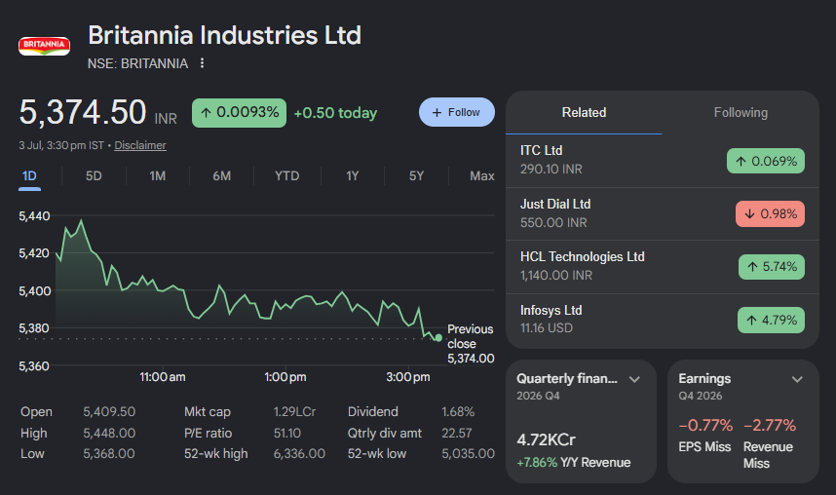
 | Company Description | Britannia Industries Limited | About Firm
 | ISIN Code | INE216A01030 | Britannia Industries Limited is one of India's leading FMCG companies and a dominant player in the biscuits, dairy, and bakery segment. Founded in 1892, it is among the most recognised consumer brands in India with products like Good Day, Marie Gold, NutriChoice, Milk Bikis, and Tiger. Britannia commands ~30% market share in the organised biscuits segment and has steadily expanded into dairy and international markets. The company is backed by the Wadia Group and is listed on both NSE and BSE.
 | Sector Name | FMCG
 | Industry | Food Products
 | Exchange Name | BSE: 500825, NSE: BRITANNIA
 | Website | www.britannia.co.in
 | Current Market Price | 5374.5

 | Section | Assumption |  | Company Data
 | Revenue |  |  | Particulars |  | Amounts
 | Revenue — Base Case | Base Case revenue growth of 9.50% in FY2027, tapered annually at 9.15% to 4.01% by FY2036. |  | No. of Outstanding Shares | Nos | 240,864,329
 | Revenue — Bull Case | Bull Case opening growth of 15.31%, tapered at 9.15% per year using identical tapering logic. |  | Face Value per Share | Rs. | 1
 | Revenue — Bear Case | Bear Case growth of 4.00% flat throughout the forecast period. |  | Current Market Price | Rs. | ₹ 5,374.50
 | Base Year Revenue | FY2026 audited revenue of ₹19,151.59 Cr serves as the base for all growth projections. |  | Market Capitalisation | ₹ in Cr | ₹ 129,452.53
 | COSTS & EXPENSES
 | COGS | COGS fixed at 58.93% of revenue; based on FY2026 effective rate.
 | Salaries & Benefits | Salaries fixed at 4.07% of revenue; FY2022–FY2026 historical average. |  | Key Metrics
 | Other SG&A | Other SG&A fixed at 19.38% of revenue; FY2022–FY2026 historical average.
 | Other Income | Other income projected at 1.32% of revenue; FY2022–FY2026 historical average. |  | Particulars | Unit | Amount
 | Exceptional Items | Exceptional items set to zero across all forecast years; treated as non-recurring. |  | Revenue Growth — Base Case | % | 9.50%
 | DEPRECIATION & CAPEX |  |  | Revenue Growth — Bull Case | % | 15.31%
 | Depreciation Rate | D&A at 11.78% of opening PP&E (FY2026 rate); stepped up +2.00% every three years. |  | Revenue Growth — Bear Case | % | 4.00%
 | Capital Expenditure | FY2027 capex normalised at ₹443.14 Cr; grows at 0.50% per year thereafter. |  | Annual Tapering in Growth Rate | % | 9.15%
 | TAXATION |  |  | EBITDA Margin (FY2026 Actual) | % | 18.51%
 | Base Tax Rate | Effective tax rate starts at 22.86% (FY2026 actual rate). |  | PAT Margin (FY2026 Actual) | % | 13.25%
 | Tax Rate Step-Up | Tax rate stepped up +0.50% every two years, reaching 25.36% by FY2036. |  | Effective Tax Rate | % | 22.86%
 | WORKING CAPITAL |  |  | Perpetual Growth Rate | % | 4.00%
 | Receivables (DSO) | DSO of 8.14 days; FY2022–FY2026 historical average on a 365-day convention. |  | Risk-Free Rate (10yr G-Sec) | % | 7.03%
 | Inventory (DIO) | DIO of 44.58 days; FY2022–FY2026 historical average on a 365-day convention. |  | Equity Risk Premium | % | 2.59%
 | Payables (DPO) | DPO of 74.04 days; FY2022–FY2026 historical average on a 365-day convention. |  | Equity Beta (Regression) | x | 0.53
 | Cash Conversion Cycle | Net CCC of −21.32 days; Britannia's structural supplier-financing advantage, modelled as persistent. |  | Levered Equity Beta (Used) | x | 0.55
 | Non-Cash WC Movements | Non-cash working capital items set to zero; historically volatile and not reliably forecastable. |  | Cost of Equity | % | 8.46%
 | BALANCE SHEET |  |  | Pre-Tax Cost of Debt | % | 9.05%
 | Cash & Equivalents | Cash is the balancing figure in the Balance Sheet; accumulates from ₹889 Cr (FY2027) to ₹10,990 Cr (FY2036). |  | After-Tax Cost of Debt | % | 6.98%
 | Frozen BS Items | All non-operating balance sheet items held flat at FY2026 audited balances throughout the forecast. |  | WACC | % | 8.45%
 | CAPITAL STRUCTURE |  |  | Intrinsic Value (DCF) | ₹/share | #NAME?
 | Total Debt | Debt frozen at ₹1,380.28 Cr throughout forecast; no new borrowings or repayments assumed. |  | Recommendation |  | Sell
 | Interest Expense | Interest expense projected at 9.05% of total debt (FY2026 actual interest rate); held constant. |  | Upside / (Downside) | % | #NAME?
 | Equity Capital | Equity capital held constant at ₹24.09 Cr; no dilution or buybacks modelled.
 | Shares Outstanding | Shares outstanding held constant at 24.09 crore throughout the forecast period.
 | Non-Controlling Interest | NCI held flat at FY2026 audited balance of ₹29.32 Cr.
 | Dividend Payout | Dividend payout ratio fixed at 71.11% of net income; based on FY2026 actual payout.
 | Associates P&L | Share of profit/(loss) from associates forecasted using a rolling FY2022–FY2026 average.
 | DCF INPUTS
 | Terminal Growth Rate | Terminal growth rate of 4.00%; proxy for India's long-run nominal GDP floor.
 | WACC | Discount rate (WACC) of 8.68%; derived from CAPM cost of equity and after-tax cost of debt.
 | Terminal Value — GGM | Gordon Growth Model terminal value applied; PV of TV: ₹95,674.55 Cr.
 | Terminal Value — EV/EBITDA | EV/EBITDA exit multiple of 39.36x on FY2036 EBITDA applied as second TV methodology.
 | Terminal Value — Blended | Final TV is the simple average of GGM and EV/EBITDA terminal values.
 | Intrinsic Value | Intrinsic value per share: ₹4,162.47 vs. CMP ₹5,374.5; implying −23% Downside Recommendation: SELL.
 | WACC COMPONENTS
 | Risk-Free Rate | 7.03%; 10-year Government of India G-Sec yield as of valuation date.
 | Equity Risk Premium | 3.00%; derived as equity market return minus risk-free rate.
 | Levered Beta (Used) | 0.554; raw beta re-levered using Britannia's FY2026 D/E ratio of 0.011.
 | Cost of Equity (CAPM) | 8.69%; derived as: Risk-Free Rate + (Levered Beta × Equity Risk Premium).
 | Pre-Tax Cost of Debt | 9.05%; FY2026 actual interest expense divided by total debt.
 | After-Tax Cost of Debt | 6.98%; pre-tax cost of debt × (1 − effective tax rate of 22.86%).
 | COMPARABLE COMPANIES
 | Peer Set | 8 peers: Nestle India, Bikaji Foods, Zydus Wellness, Gopal Snacks, HUL, ITC, Marico, Patanjali Foods.
 | EV Calculation | Peer EV = Market Cap + Total Debt − Cash & Equivalents; sourced from NSE/BSE.
 | Valuation Multiples | Sector median EV/EBITDA and P/E multiples used as relative valuation cross-checks.
 | Exit Multiple | Britannia's FY2026 implied EV/EBITDA of 39.36x used as the terminal value exit multiple.
 | SCENARIO ANALYSIS
 | Scenarios Modelled | Three scenarios: Base (9.50%), Bull (15.31%), Bear (4.00%) — same tapering rate of 9.15%.
 | Scenario Differences | Only top-line revenue growth rate differs across scenarios; all other assumptions are identical.
 | Forecast Horizon | 10-year explicit forecast period: FY2027–FY2036.

Scenario Analysis
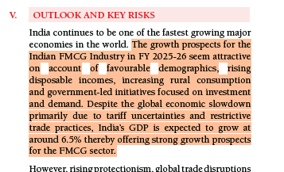
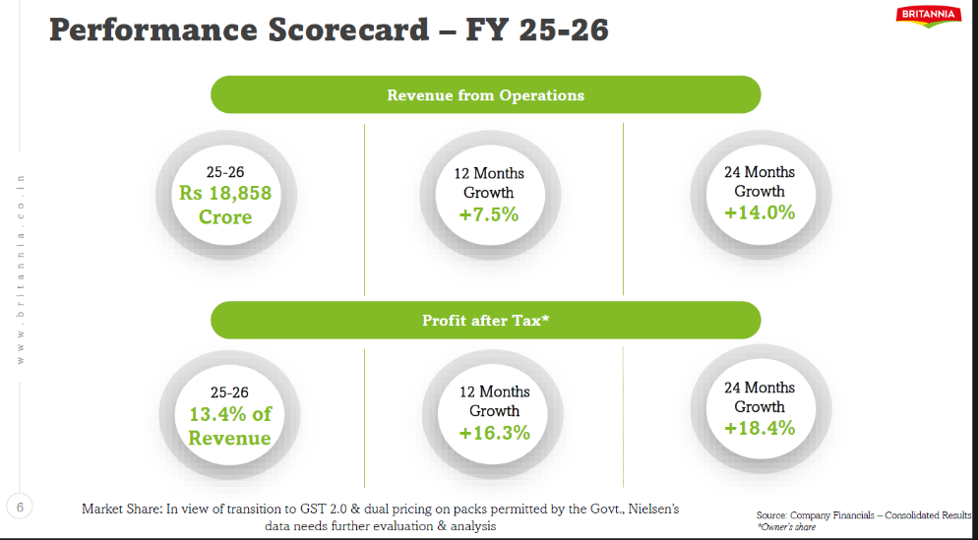
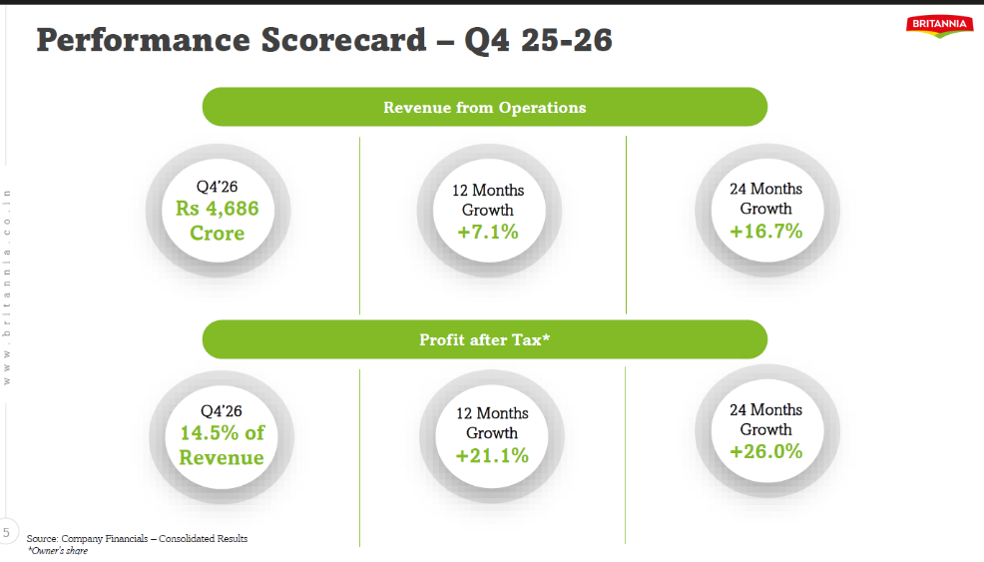
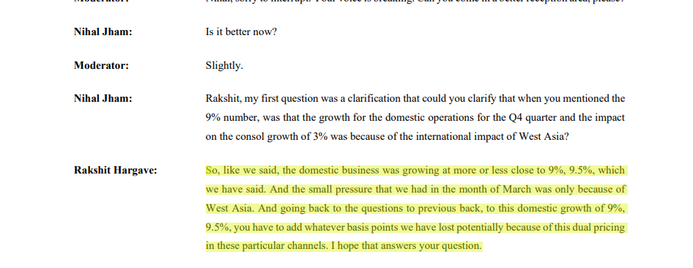
Britannia Industries Limited
Scenarios

 | Scenarios |  | Growth | 2027 | 2028 | 2029 | 2030 | 2031 | 2032 | 2033 | 2034 | 2035 | 2036
 |  | Base Case | 9.5% | 9.5% | 8.6% | 7.8% | 7.1% | 6.5% | 5.9% | 5.3% | 4.9% | 4.4% | 4.0%
 |  | Bull Case | 15.3% | 15.3% | 13.9% | 12.6% | 11.5% | 10.4% | 9.5% | 8.6% | 7.8% | 7.1% | 6.5%
 |  | Bear Case | 4.0% | 4.0% | 4.0% | 4.0% | 4.0% | 4.0% | 4.0% | 4.0% | 4.0% | 4.0% | 4.0%
 |  | Annual Growth Tapering | 9.2%
 |  | 6 years CAGR | 8.6%

 |  | Assumptions
 |  | Base Case | Revenue growth is assumed at 9.5%, slightly above the 6-year CAGR of 8.5%, reflecting management’s double-digit growth guidance, expansion in high-margin categories like croissants and wafers, and improving FMCG demand trends. The estimate remains conservative versus 11–13% analyst forecasts to account for potential geopolitical and supply chain risks.
 |  | Bull Case | In Bull case I assumed that firm will grow to its historiacally maximum potential which is 15.3%
 |  | Bear Case | In worst case company will grow at perpetual growth rate

 |  | Britannia Analysr Deck |  |  |  |  |  |  |  |  | Annual Report - Management Guidance |  |  | Britannia Industries Analyst Call Transcript

Football Field Analysis
Britannia Industries Limited
Valuation Summary : Football Field Analysis

Football Field Data

 |  | Comps | DCF | 52-Week hi/lo | Market Consenses
 | High | 6606.5 | 5750.7 | 6247.0 | 7240.0
 | High | 6407.9 | 5750.7 | 6247.0 | 7240.0
 | Low | 5399.6 | 3279.3 | 5078.5 | 4800.0
 | Low | 5399.6 | 3279.3 | 5078.5 | 4800.0

Valuation Summary
Valuation Summmary
 | High | Low | Low | High
Comps | 6407.9 | 5399.6 | 5399.6 | 6606.5
DCF | 5750.7 | 3279.3 | 3279.3 | 5750.7
52-Week hi/lo | 6247.0 | 5078.5 | 5078.5 | 6247.0
Market Consenses | 7240.0 | 4800.0 | 4800.0 | 7240.0

